Script
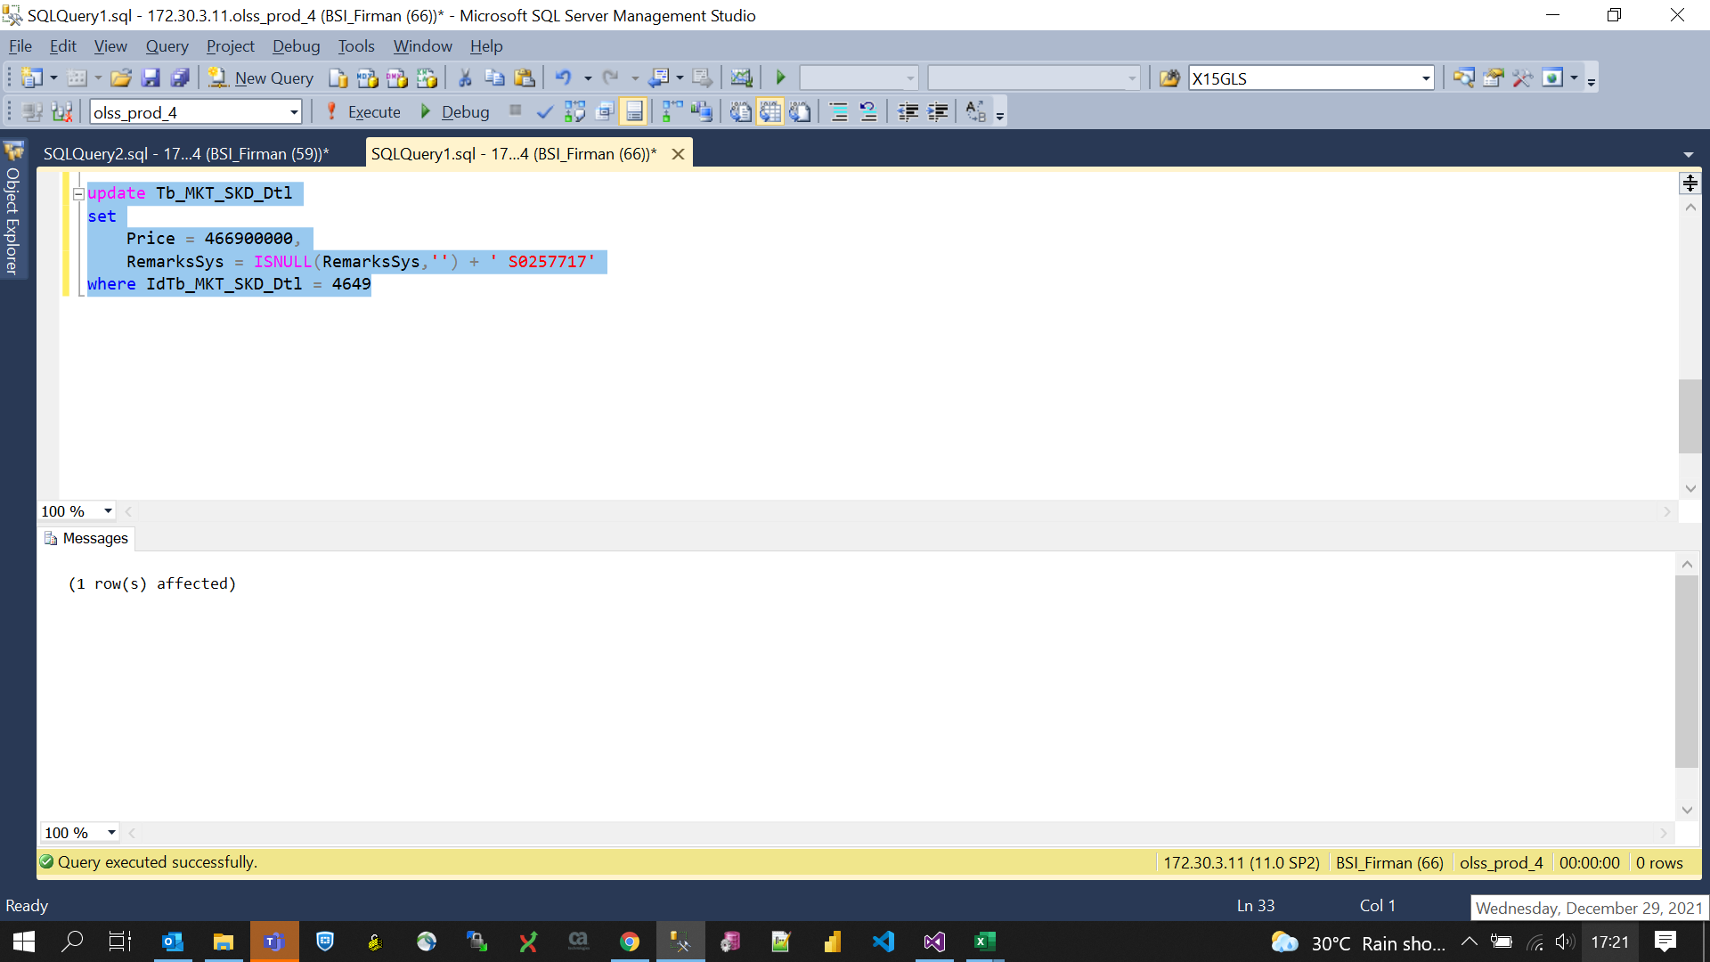
update Tb_MKT_SKD_Dtl
set
 | Price = 466900000,
 | RemarksSys = ISNULL(RemarksSys,'') + ' S0257717'
where IdTb_MKT_SKD_Dtl = 4649

Screenshot
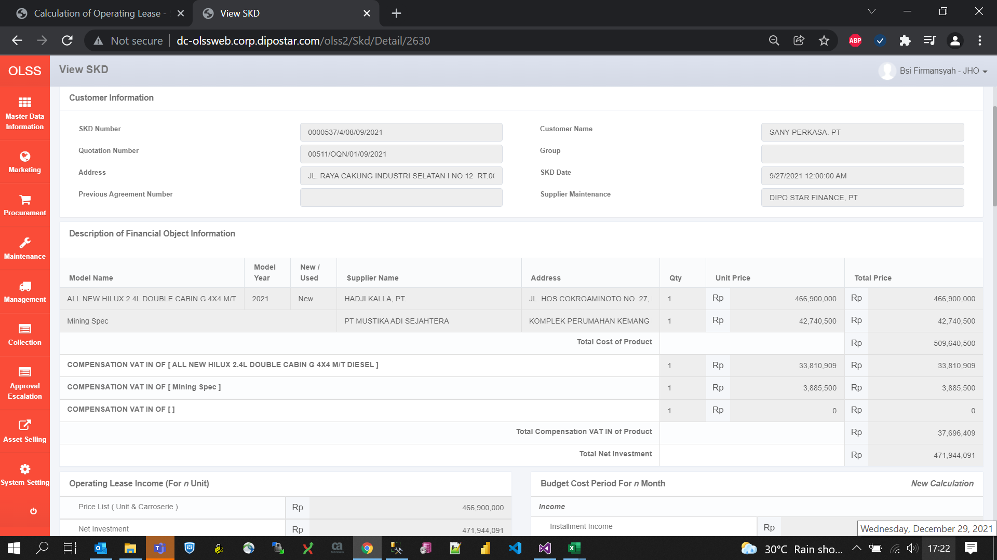
BEFORE
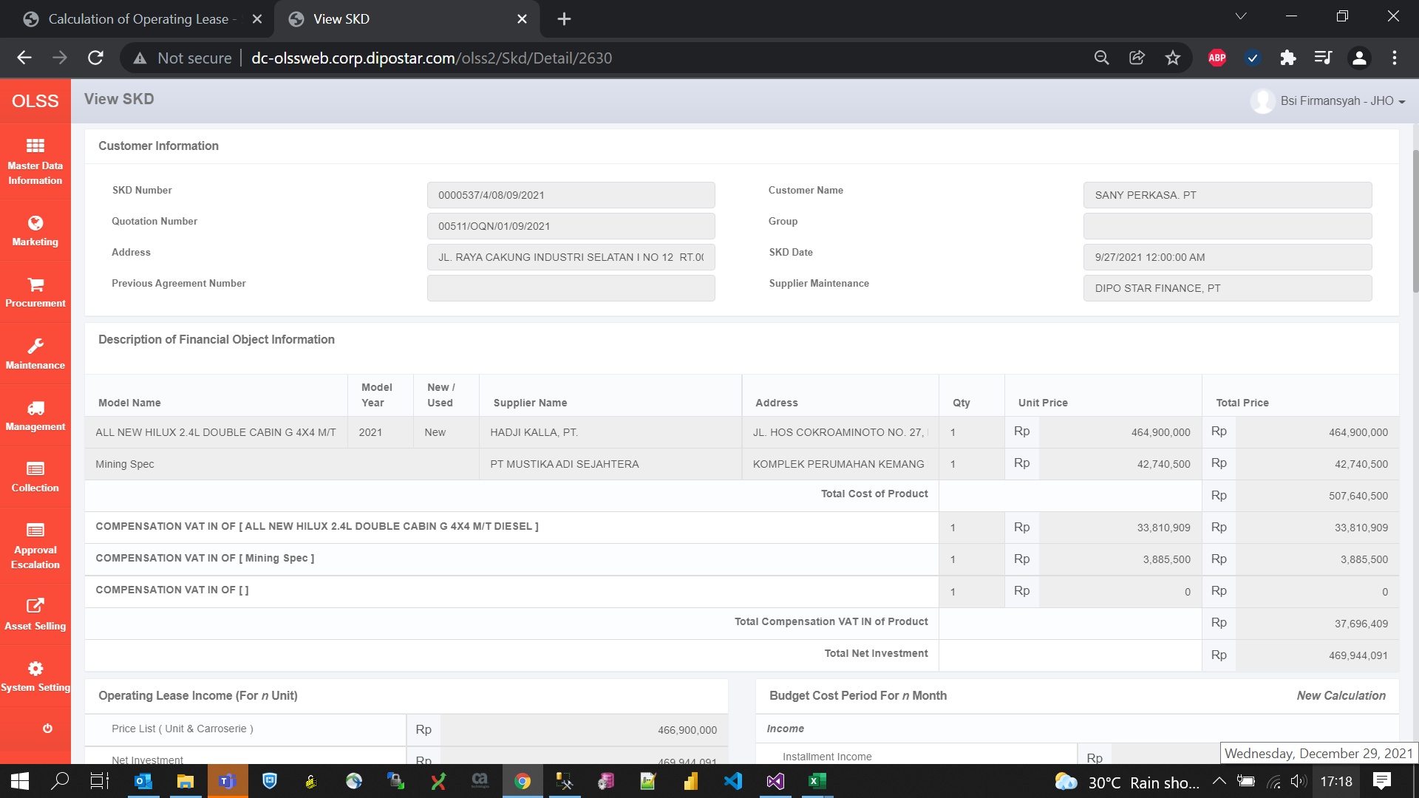

AFTER

